Citation
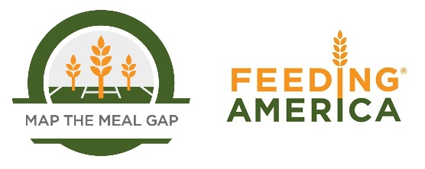

When using this data, please cite as follows:
Gundersen, C., A. Dewey, E. Engelhard, M. Strayer & L. Lapinski. Map the Meal Gap 2020: A Report on County and Congressional District Food Insecurity and County Food Cost in the United States in 2018. Feeding America, 2020.

